Sheet1
Team Name | 2221-swen-261-02-3c-CodeMonkeys
Testing Team Name

User Stories | Acceptance Criteria
As the product owner I want to inject Movie objects into Screening objects so that I can have multiple Screenings to the same Movie. | **Given** I perform a GET request **when** I view the list of objects returned **then** I expect to see multiple Screening objects with the same Movie information.
 | **Given** a Movie object **when** I instantiate a Screening object **then** I expect to be able to inject a Movie object into multiple Screening objects.
 | **Given** I can perform various HTTP requests on Movies **when** I view the list of objects returned **then** I expect to see all the Movie objects.

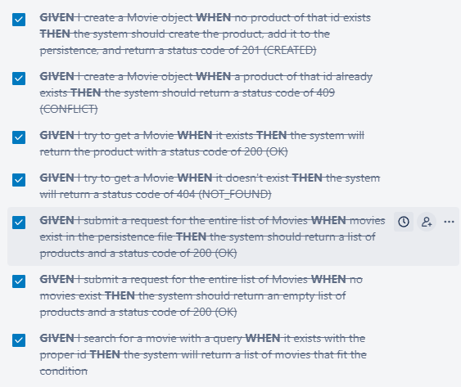
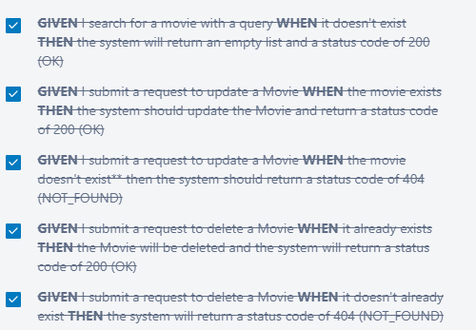
As an Owner I want to use SCRUM commands to create, update, get, search, and delete Movie objects so that the proper movies can be on the system which will be used for the screenings.

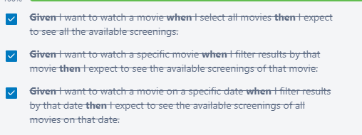
As a CUSTOMER I want to view all available screenings and their time so that I can decide which one to attend.

As a product owner I want the webpage to show a set of movies for the user to pick from, with the details of the movies listed below each one. | Given the server is running when I load the webpage then the page with basic UI elements so the user can see all movies.
 | Given the server is not running when I load the webpage then I will get a 404-page not found error.

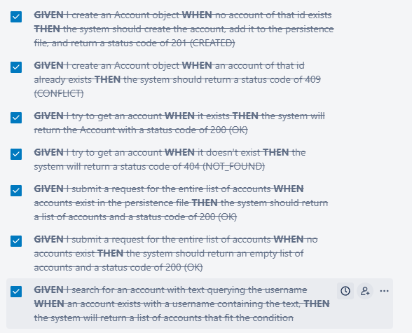
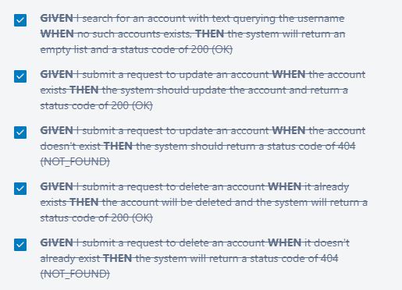
As an Owner I want to use SCRUM commands to create, update, get, search, and delete Account objects so that user accounts can be created through sign up and used to log in.

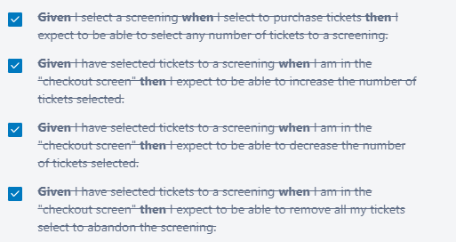
As a CUSTOMER I want to select any number of tickets to a screening so that I can watch a movie (with friends).

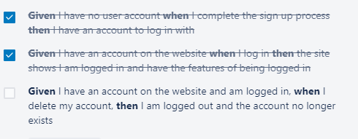
As a CUSTOMER I want to be able to be able to use a button on the website to create, and log into an account so that I can use the features I need to be logged in for.

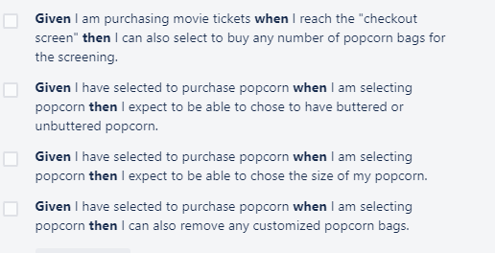
As a CUSTOMER I want to buy popcorn so that I can snack while watching the movie.

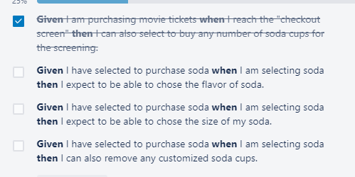
As a CUSTOMER I want to buy soda so that I can have a drink while watching the movie.

